Sheet1
Test CaseID | Test Scenario | Test Case | Pre Condition | Test Type | Test Data | Test Step | Expected Result | Actual Result | Excecution Date | Status | Picture
TC_01 | Check the Login Functionality | Verify the login function using a valid Email and valid Password | Already connected to the internet Already access login page sepulsa The user account has been registered Users have not been logged in Already view "masuk" button. | Positive | Nomor Handphone / Email : setianiatikadewi@students.unnes.ac.id Password : rQ****** | 1. Input valid Email 2. Input valid Password 3. Click done "masuk" button | Login success | Login success | 2023-02-26 | Passed
TC_02 | Check the Login Functionality | Verify the login function using a valid Email and invalid Password | Already connected to the internet Already access login page sepulsa The user account has been registered Users have not been logged in Already view "masuk" button. | Negative | Nomor Handphone / Email : setianiatikadewi@students.unnes.ac.id Password : Atika2609 | 1. Input valid Email 2. Input invalid Password 3. Click done "masuk" button | Failed to login | Failed to login | 2023-02-26 | Passed
TC_03 | Check the Login Functionality | Verify the login function using a invalid Email and valid Password | Already connected to the internet Already access login page sepulsa The user account has been registered Users have not been logged in Already view "masuk" button. | Negative | Nomor Handphone / Email : setianiatikadewi@gmail.com Password : rQ****** | 1. Input invalid Email 2. Input valid Password 3. Click done "masuk" button | Failed to login | Failed to login | 2023-02-26 | Passed
TC_04 | Check the Login Functionality | Verify the login function using a invalid Email and invalid Password | Already connected to the internet Already access login page sepulsa The user account has been registered Users have not been logged in Already view "masuk" button. | Negative | Nomor Handphone / Email : setianiatikadewi@gmail.com Password : Atika2609 | 1. Input invalid Email 2. Input invalid Password 3. Click done "masuk" button | Failed to login | Failed to login | 2023-02-26 | Passed
TC_05 | Check the Login Functionality | Verify the login function using a valid Nomor Handphone and valid Password | Already connected to the internet Already access login page sepulsa The user account has been registered Users have not been logged in Already view "masuk" button. | Positive | Nomor Handphone / Email : 081328120493 Password : rQ****** | 1. Input valid Nomor Handphone 2. Input valid Password 3. Click done "masuk" button | Login success | Login success | 2023-02-26 | Passed | 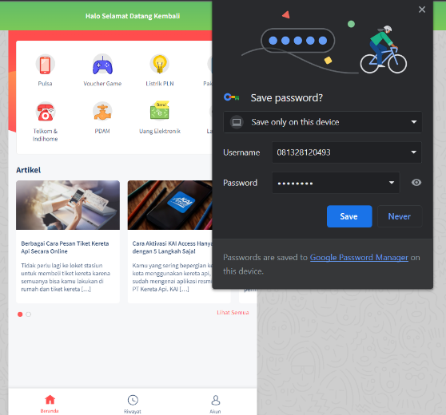
TC_06 | Check the Login Functionality | Verify the login function using a valid Nomor Handphone and invalid Password | Already connected to the internet Already access login page sepulsa The user account has been registered Users have not been logged in Already view "masuk" button. | Negative | Nomor Handphone / Email : 081328120493 Password : Atika2699 | 1. Input valid Nomor Handphone 2. Input invalid Password 3. Click done "masuk" button | Failed to login | Failed to login | 2023-02-26 | Passed
TC_07 | Check the Login Functionality | Verify the login function using a invalid Nomor Handphone and valid Password | Already connected to the internet Already access login page sepulsa The user account has been registered Users have not been logged in Already view "masuk" button. | Negative | Nomor Handphone / Email : 081123654567 Password : rQ****** | 1. Input invalid Nomor Handphone 2. Input valid Password 3. Click done "masuk" button | Failed to login | Failed to login | 2023-02-26 | Passed
TC_08 | Check the Login Functionality | Verify the login function using a invalid Nomor Handphone and invalid Password | Already connected to the internet Already access login page sepulsa The user account has been registered Users have not been logged in Already view "masuk" button. | Negative | Nomor Handphone / Email : 081123654567 Password : Atik2669 | 1. Input invalid Nomor Handphone 2. Input invalid Password 3. Click done "masuk" button | Failed to login | Failed to login | 2023-02-26 | Passed
TC_09 | Check one of the product functionalities, namely "Pulsa" | Choose a product and view payment details by credit category and Try operator number. | Already connected to the internet Already access home page sepulsa The users has logged in Already view "Pulsa" menu | Positive | Nomor Handphone : 0895333707811 Kategori, Nominal, & Harga : Try Rp 2000, harga Rp. 4000 | 1. Open the page https://www.sepulsa.com/ 2. Log in 3. Click the "Pulsa" menu 4. Select Telkomsel operator 5. Enter the operator number : 0895333707811 6. Select and click the desired credit amound 7. Verify payment detail | The page contains product payment details | The page contains product payment details | 2023-02-26 | Passed
TC_10 | Check one of the product functionalities, namely "Pulsa" | Verify of credit purchases with a number that does not have a provider | Already connected to the internet Already access home page sepulsa The users has logged in Already view "Pulsa" menu | Negative | Nomor Handphone : 084123321223 | 1. Open the page https://www.sepulsa.com/ 2. Log in 3. Click the "Pulsa" menu 4. Enter the operator number : 084123321223 | The page does not display a choice of credit amount | The page does not display a choice of credit amount | 2023-02-26 | Passed
TC_11 | Check one of the product functionalities, namely "Voucher Game" | Choose products with game voucher categories and types of PUBG Mobile games. | Already connected to the internet Already access home page sepulsa The users has logged in Already view "Voucher Game" menu Already view "Voucer" Menu | Positive | Nomor Handphone : 084123321223 Harga : Rp. 34.000 | 1. Open the page https://www.sepulsa.com/ 2. Log in 3. Click the "Voucher Game" menu 4. Click the "Voucher" menu 5. Select PUBG Mobile 6. Enter the operator number : 081123321223 7. Select and click the desired credit amound 8. Verify payment detail | The page contains product payment details | The page contains product payment details | 2023-02-26 | Passed
TC_12 | Check one of the product functionalities, namely "Voucher Game" | View free fire top up payment details by inputting a valid customer ID | Already connected to the internet Already access home page sepulsa The users has logged in Already view "Voucher Game" menu Already view "Top Up" Menu | Positive | ID Pelanggan: 57009**** Harga : Rp. 1.500 | 1. Open the page https://www.sepulsa.com/ 2. Log in 3. Click the "Voucher Game" menu 4. Click the "Topup" menu 5. Select Topup Free Fire 6. Enter the customer ID: 57009**** 7. Click "Lanjutkan" button 8. Select and click the desired credit amound 9. Verify payment detail | The page contains product payment details | The page contains product payment details | 2023-02-26 | Passed
TC_13 | Check one of the product functionalities, namely "Voucher Game" | View free fire top up payment details by inputting a invalid customer ID | Already connected to the internet Already access home page sepulsa The users has logged in Already view "Voucher Game" menu Already view "Top Up" Menu | Negative | ID Pelanggan: 523477651 | 1. Open the page https://www.sepulsa.com/ 2. Log in 3. Click the "Voucher Game" menu 4. Click the "Topup" menu 5. Select Topup Free Fire 6. Enter the customer ID: 523477651 7. Click "Lanjutkkan" button | A notification "nomor salah / terblokir / expired" appears | A notification "nomor salah / terblokir / expired" appears | 2023-02-26 | Passed
TC_14 | Check the functionality of the payment method | Make credit payments using gopay | Already connected to the internet Already access home page sepulsa The users has logged in Already view "Pulsa" menu | Positive | Nomor Handphone : 0895333707811 Kategori, Nominal, & Harga : Try Rp 2000, harga Rp. 4000 | 1. Open the page https://www.sepulsa.com/ 2. Log in 3. Click the "Pulsa" menu 4. Select Telkomsel operator 5. Enter the operator number : 0895333707811 6. Select and click the desired credit amound 7. Verify payment detail 8. Enter promotion code *if you have one 9. Select & click the payment method: gopay 10. Click "Bayar sekarang" button 11. Scan the barcode before passing the specified time limit to make a payment | Successful transaction | Successful transaction | 2023-02-26 | Passed | 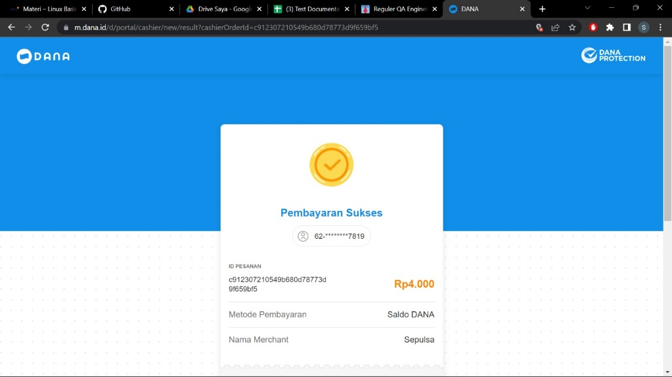
TC_15 | Check the functionality of the payment method | Make payments via gopay, but after the specified time period | Already connected to the internet Already access home page sepulsa The users has logged in Already view "Pulsa" menu | Negative | Nomor Handphone : 081123321223 | 1. Open the page https://www.sepulsa.com/ 2. Log in 3. Click the "Pulsa" menu 4. Select Telkomsel operator 5. Enter the operator number : 081123321223 6. Select and click the desired credit amound 7. Verify payment detail 8. Enter promotion code *if you have one 9. Select & click the payment method: gopay 10. Click "Bayar sekarang" button 11. Do not scan barcodes | Transaction failed | Transaction failed | 2023-02-26 | Passed | 